Client's Requirement
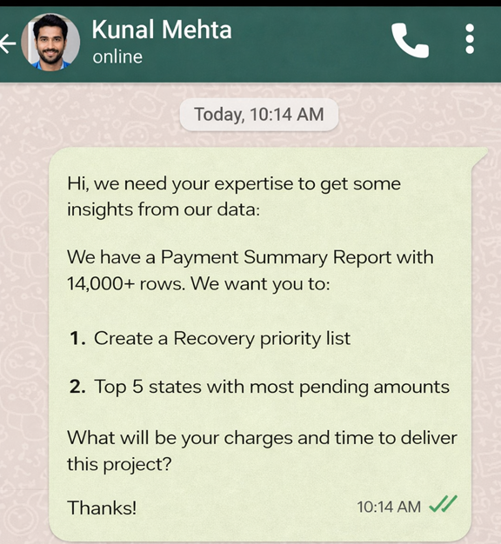

Client's Requirement

Top 5 Pending Amount
Top 5 Pending Amount by state
Status | Pending

Row Labels | Sum of Amount
Uttar Pradesh | 292,140,724
Punjab | 249,168,652
Tamil Nadu | 206,526,434
Madhya Pradesh | 193,297,660
Karnataka | 191,126,174
Grand Total | 1,132,259,643

